WhatIf
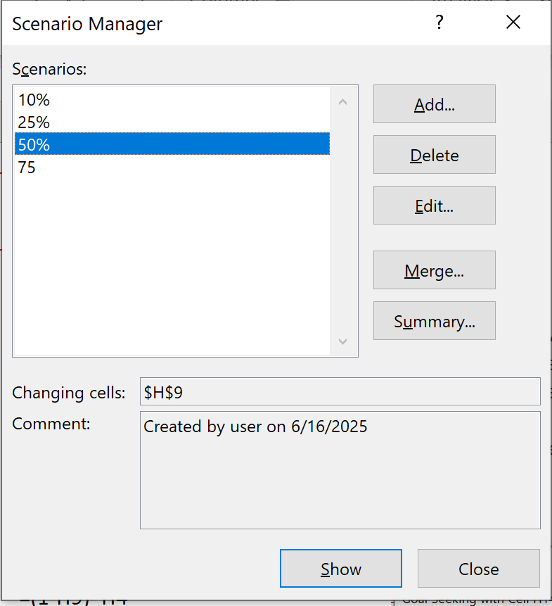
Juice Shop

Excel also provide whatif goal seek analysis data> whatif analysis>> Goal Seek Hit and trial is done by excell
also setting scenerio manager, look for scenerio summary sheet
 | Availability | Total Milk Available (Glasses) | 100 | Given

 | Price | Price of Mango Shake | 50 | given
 |  | Price of Chocolate Shake | 30 | given

 | Mango-Chocolate split | Percentage of milk used for making Mango shakes | 75% | changing value to get 4500 sales

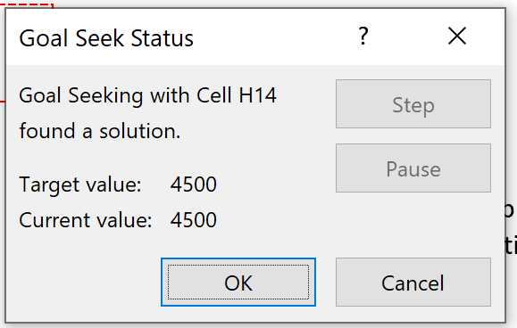
 | Sales | Mango Shakes sold (Glasses) | 75 | =H9*H4
 |  | Chocolate Shakes sold (Glasses) | 25 | =(1-H9)*H4

 | Earning | Total Earnings | 4500 | =H6*H11+H7*H12

